1. Title Page
Instacart Sales Study, 2023

Project Name: Instacart Sales Study, 2023
Date: November 23, 2023
Analyst Name: Haley Bustle

Contents: | Please notate this project was completed for Carreer Foundry as a teaching project. Prices and customer names are fictional and were included in this brief for learning purposes only. | The Instacart Online Grocery Shopping Dataset 2017”, Accessed from www.instacart.com/datasets/grocery-shopping-2017 via Kaggle on October 23, 2023.
Population Flow
Consistency checks
Wrangling steps
Column derivations
Visualizations
Recommendations

2. Population Flow
Title page

Population flow

Exclusion flag
Condition: max_order <
Obervations to be removed:
Final total count of order_products_all:

Orders_products_combined
Orders_products_merged
Orders_products_all

Total: 32,404,859
Total: 32,434,489
Total: 32,404,859

1.) The grey boxes in the first row of the population flow represent the original data sets as they were when you downloaded them. In the Total fields you need to add the count of the rows when you imported the data set into Jupyter.
2.) The second row of boxes (coloured) represents the data sets after you manipulated them, e.g., removed missing values and duplicates. In the Total fields you need to add the count of the rows after conducting these operations. This offers a visual oveview of how the data flows throughout the data consistency checks.
3.) The third row, where also the arrows are coloured, represents the merges you performed between the datasets. In the Total fields you need to add the count of the rows in the merged datasets, so that you end up with the final dataset (in the red box). Keep in mind the final dataset should be without exclusions (based on the exclusion flag).

3. Consistency checks
 |  |  |  | Title page
Consistency checks

Dataset | Missing values | Missing values treatment | Duplicates
orders | days_since_prior_order | created flag column / true or false
products | product_name | 16 listed as NAN, removed | 5 duplicates found, removed
orders_products_prior
customers

orders_wrangled.csv found that days_since_prior_order has 206,209 missing values. These values remain present and a true/false flag column was created to better define these missing values
orders.wrangled.csv had column titled Unnamed: 0 with near duplicate values to order_id column. No relavent information avalible, column removed

4. Wrangling steps
 |  |  |  | Title page
Wrangling steps

Columns dropped | Columns renamed | Columns' type changed | Comment/Reason
eval_set (orders.csv) |  |  | not applicable to analysis
order_numbers (orders.csv) |  |  | not applicable to analysis
 | order_dow (orders.csv) | orders_day_of_week | better column understanding
 |  | orders_day_of_week | change to string, numbers mean day of week
 |  | order_hour_of_day | change to string, numbers mean hour of day

wrangled_orders.csv |  | order_id, user_id, day_of_week, order_hour_of_day | change from mix to integer to match dataframe

first_name, surnam (customers_csv) |  | Gender, STATE, date_joined, fam_status | change from obj to: string, string, dateframe, string

5. Column derivations
 |  |  |  | Title page

Column derivations and aggregations

In this tab you should add tables below that the frequences of flags/label variables that you produced after deriving them. NB: don't do this for continuous variables, only for flags.
Dataset | New column | Column/s it was derived from | Conditions
orders_products_merged | price_label | prices | item a, see below
 | busiest_day | day_of_week | item b, see below
 | busiest_days | day_of_week | item c, see below
 | busiest_period_of_day | order_hour_of_day | item d, see below
 | max_order | user_id, order_numer | item e, see below
 | spending_flag | user_id, prices | item f, see below
 | median_days_since_prior | user_id, days_since_prior_order | item g, see below

instacart_dataframe | Region | STATE | item h, see below

Item A, | conditions for column: under 5 (low range product), between 5 and 15 (mid range product), greater than 15 (high range product)
Item B, | conditions for column: if equal to 0 (busiest day), if value equal to 4 (least busy), all remaining results (regular busy)
Item C, | conditions for column: if orders in 1 (mon) or 0 (sun) then busiest days, in 3 (tues) and 4 (weds) then slowest days, all else regular busy
Item D, | conditions for column: if orders in [9 through 15] then most orders, if orders in [0 through 6] then fewest orders, all else average orders
Item E, conditions for column: if orders greater than 40 (loyal customer), if orders greater than 10 but less 40 (regular), if order less than 10 (new customer)
Item F, conditions for column: if spending greater than 10 (high spender), if spending less than 10 (low spenderr)
Item G, conditions for column: if median days since prior order greater than/equal to 10 (frequent user), if media days since prior order greater/equal to 10 but less 20 (regular user), if less than 20 (non frequent user)

Item H, conditions for column: each state separate into categories of region in United States (Sourh, West, Midwest, and Northeast)

6. Visualizations
 |  | Title page

Visualisations

In this tab you should include all the visualtions from Exercises 4.9 and 4.10, alongside the questions from the project brief that they answer. Include any commentary on the relationship between different variables.



Bar Chart 1
This shows the number of orders made during the week in order from busiest to least busy.
The days are identified on the x-axis as such: 0 (Saturday), 1 (Sunday), 2 (Monday), 3 (Tuesday), 4 (Wednesday), 5 (Thursday), and 6 (Friday)
The number of orders on the y-axis are listed in terms of thousands ( 1 = 1,000 orders, 2 = 2,000 orders, etc)

The busiest day of the week is day 0, or Saturday, with day 1, Sunday, being a close second. Recommend starting next week's sales advertisements on day 2 Monday and increased general advertising & sales advertising on day 5, Thursday. Persist this week's sale's advertising through peek hours on Sunday [apx 0900 hours to 1600 hours]. On Monday at 0600 switch to next week's sales and general advertising, and customer rewards program advertising

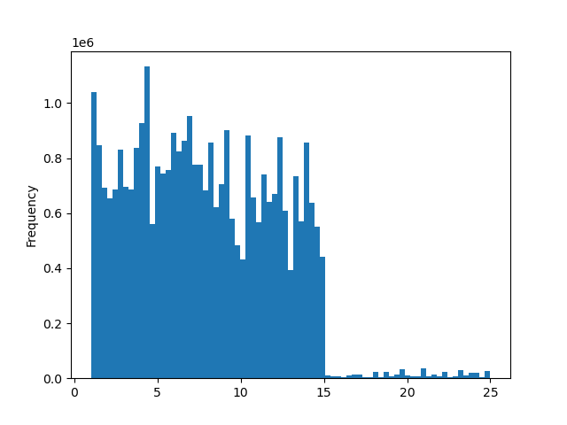

 | Histogram 1

 | This histogram shows the prices of items available with Instacart and the frequency they were bought by customers
 | The x-axis shows the price of items in dollars ($) in increments of $5
 | The y-axis shows the frequency at which those items were bought in thousands

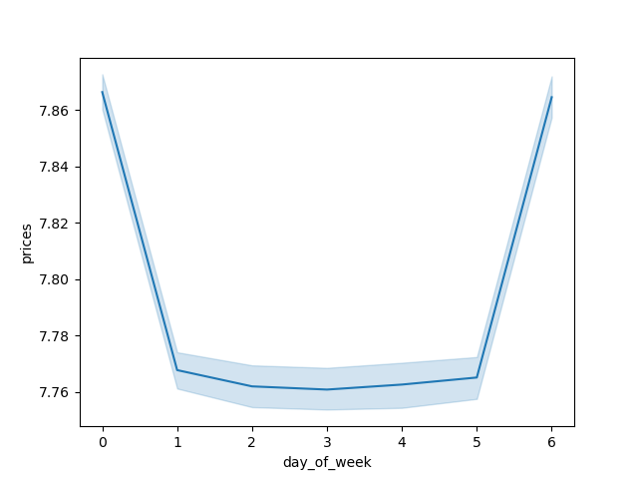

Line Chart 1
Line chart to display relationship of prices to days of the week using a sample of total popualtion (30% sample size)
x axis shows day of the week (see figure 1)
y axis shows prices by dollar ($0.0010



Histogram 2
Histogram displaying the relationship between sales and hour of the day (orders are completed)
x axis shows hour of day in military time (10 = 1000 or 10:00am, 15 = 1500 or 3:00pm)
y axis shows orders in thousands

The busiest hour of the day peaks around 0900 or 9:00am. Recommend increasing general advertising of popular items and increasing advertising of sales or holiday specials in app. For customers within customer reward program, offer rewards for certain items purchase, or certain dollar amount spent to encourage purchases around this time. Persist these ads until approximatley 1600 hours [4:00pm] and switch back to generalized advertising.


Bar Chart 2
bar chart showing value counts of orders in the loyalty flag column
x axis displays three values: Regular customers (most orders), loyal customers (median oders) and new customers (least orders)
y axis shows numbers of orders in thousands

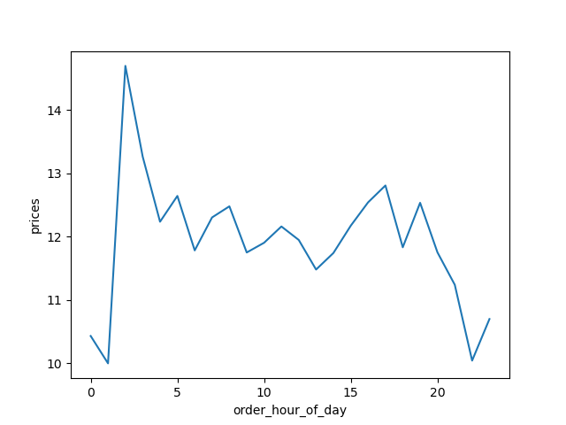

Line Chart 2
Line chart displaying the price of items in relation to the hour of the day an order is completed
x axis is the hour of day an order is completed in military time
y axis is price of item is dollars ($0.00)


Scatterplot 1
Scatterplot to show potential relationship between age and spending power
x axis displays age (of customers)
y axis shows income in thousands of dollars ($0,000.00 format)

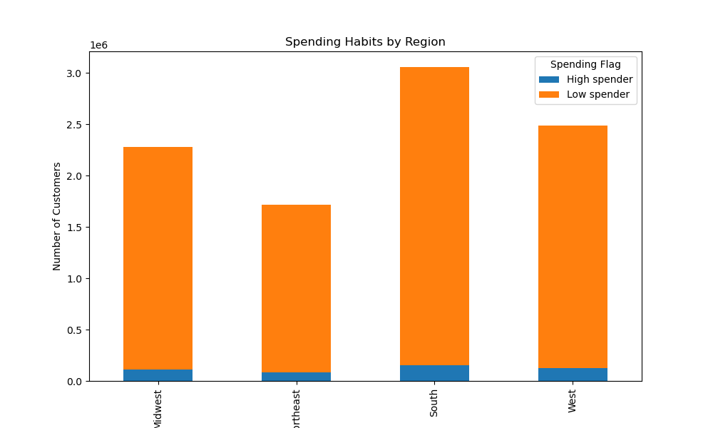

Bar Chart 3
This bar chart represents the spending habits of customers, who have been grouped based upon their levels of spending while being studied on a regional level
x axis shows the regions of the country in the United States
y a-axis shows the number of customers in millions
the two stacks of bars indicate if a customer is a high spender or low spender, though most customers fall into the low spending category

There is not a descernable difference in the spending habits across departments and regions, however, there is a slight different in spending amongst customers in various regions. The most spending by customers is in the South, with a close second and third for the West and Midwest, respectivley. The trailing region is the Northeast, suggesting that a targeted marketing strategy would be wise for this region. Recommend further study of what marketing strategies and sales have been profitable or well recieved amongst customers in South & West, continue and improve those strategies

7. Recommendations
 |  | Title page

Recommendations

In this tab you should include any recommendations you would made to Instcart in terms of their marketing strategy based on the questions posed in the brief. Every key question has been covered in the Tasks of the Exercises - here you need to add an item - a visualisation or table/crosstable that is showing the answer in the data, acompanied by a comment from you. Please, list the questions below and add the answer underneath.

Question | Answer
What are the busiest hours of day and day of the week? | bar chart 1, histogram 1
 | The busiest hour of the day peaks around 0900 or 9:00am. Recommend increasing general advertising of popular items and increasing advertising of sales or holiday specials in app. For customers within customer reward program, offer rewards for certain items purchase, or certain dollar amount spent to encourage purchases around this time.

What are the peak times of day people order/spend money? | histogram 1
 | The busiest day of the week is day 0, or Saturday, with day 1, Sunday, being a close second. Recommend starting next week's sales advertisements on day 2 Monday and increased general advertising & sales advertising on day 5, Thursday. Persist this week's sale's advertising through peek hours on Sunday [apx 0900 hours to 1600 hours]. On Monday at 0600 switch to next week's sales and general advertising, and customer rewards program advertising

Can a simplier price range be used to market? | histogram 2
 | The busiest hour of the day peaks around 0900 or 9:00am. Recommend increasing general advertising of popular items and increasing advertising of sales or holiday specials in app. For customers within customer reward program, offer rewards for certain items purchase, or certain dollar amount spent to encourage purchases around this time. Persist these ads until approximatley 1600 hours [4:00pm] and switch back to generalized advertising.

Is there a difference in spending habits amongst regions in the US? | bar chart 3
 | There is not a descernable difference in the spending habits across departments and regions, however, there is a slight different in spending amongst customers in various regions. The most spending by customers is in the South, with a close second and third for the West and Midwest, respectivley. The trailing region is the Northeast, suggesting that a targeted marketing strategy would be wise for this region. Recommend further study of what marketing strategies and sales have been profitable or well recieved amongst customers in South & West, continue and improve those strategies

